Tent
 | Peak | Ret.Time | 1st Hit | Library Compound | Library | 2nd Hit | LIbrary Compound | Library | 3rd Hit | Library Compound | Library | Area | Estimated | 20 ppb (TIC) | RT | Area
 | No. | min | SI |  |  | SI |  |  | SI |  |  | counts*min | Concentration | Pentafluorobenzene [IS1] | 5.41 | 1750753
Sample | TIC | TIC | TIC | TIC | TIC | TIC | TIC | TIC | TIC | TIC | TIC |  | (ppb) | 1,4-Difluorobenzene [IS2] | 6.16 | 2507054
8-29-24-cks-4CBHCL | 4 | 3.56 | 702 | Acetaldoxime | mainlib | 663 | Acetic acid, cyano-, 1,1-dimethylethyl ester | mainlib | 660 | Acetaldoxime | replib | 33765.266 | 0.4 | Chlorobenzene-d5 [IS3] | 8.89 | 3299950
 | 8 | 6.59 | 685 | 2-Butanone, 3-methyl- | replib | 682 | 2-Pentanone | replib | 682 | 2-Pentanone | mainlib | 32409.753 | 0.3 | 1,4-Dichlorobenzene-d4 [IS4] | 10.63 | 3499446
 | 9 | 6.72 | 732 | Cyclopentanol | replib | 726 | 2-Penten-1-ol, (E)- | replib | 708 | 3-Pentanone | replib | 31425.321 | 0.3
 | 10 | 6.94 | 793 | 2-Butanone, 3,3-dimethyl- | replib | 787 | 2-Butanone, 3,3-dimethyl- | replib | 768 | 2-Butanone, 3,3-dimethyl- | replib | 65813.212 | 0.5
 | 13 | 8.18 | 737 | 3-Hexanone | replib | 735 | 3-Hexanone | replib | 729 | 3-Hexanone | mainlib | 31276.252 | 0.2
 | 16 | 9.44 | 720 | 3-Heptanone | replib | 703 | 3-Heptanone | mainlib | 699 | 3-Hexanone, 5-methyl- | replib | 25005.613 | 0.2
 | 18 | 9.51 | 705 | 2-Heptanone | replib | 665 | 2-Heptanone | mainlib | 654 | 2-Hexanone, 5-methyl- | replib | 13959.039 | 0.1
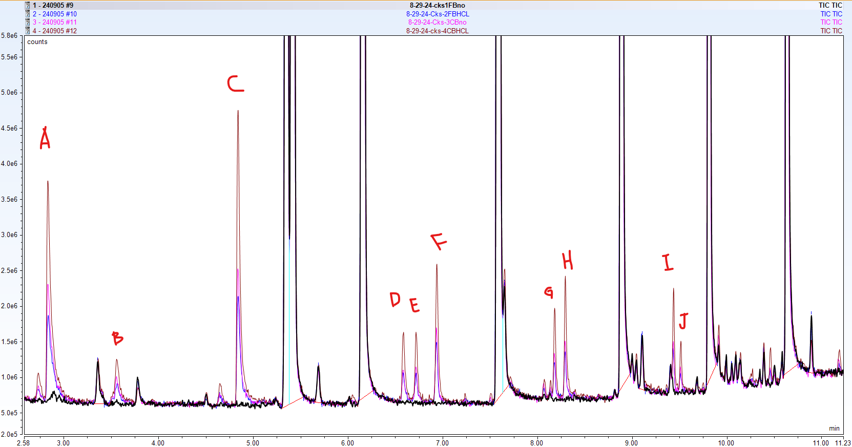

 | A | Acetone
 | B | Unknown 1st Hit: Acetaldoxime
 | C | 2-Butanone
 | D | Unknown 1st Hit: 2-Butanone, 3-methyl-
 | E | Unknown 1st Hit: Cyclopentanol
 | F | Unknown 1st Hit: 2-Butanone, 3,3-dimethyl-
 | G | Unknown 1st Hit: 3-Hexanone
 | H | 2-Hexanone
 | I | Unknown 1st Hit: 3-Heptanone
 | J | Unknown 1st Hit: 2-Heptanone

